Tutorial Questions
Question 1 |  |  |  |  |  | Question 2 |  | Question 3

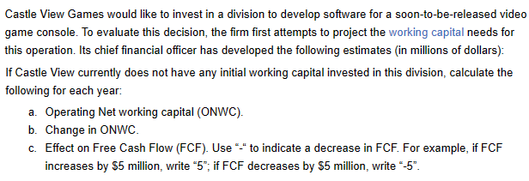
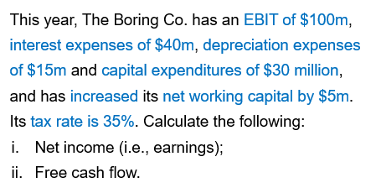
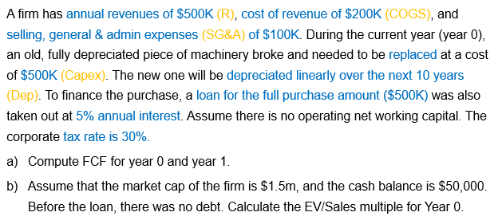

 |  |  |  |  |  |  |  | Part a
 | Year 1 | Year 2 | Year 3 | Year 4 | Year 5 | EBIT | 100 |  | Year 0 | Year 1
Accounts receivable | 21 | 22 | 24 | 24 | 24 | Interest expense | 40 | Revenue | 500,000 | 500,000
Inventory | 5 | 7 | 10 | 12 | 13 | Depreciation expense | 15 | COGS | 200,000 | 200,000
Accounts payable | 18 | 22 | 24 | 25 | 30 | Capex | 30 | Selling, General & Admin expenses (SG&A) | 100,000 | 100,000
Operating Net Working Capital (ONWC) | 8 | 7 | 10 | 11 | 7 | Increase in ONWC | 5 | Depreciation expense | - | 50,000
Change in ONWC | 8 | -1 | 3 | 1 | -4 | Tax rate | 35% | EBIT | 200,000 | 150,000
Effect on Free Cash Flow | -8 | 1 | -3 | 1 | -4 | * All figures are in millions of $ |  | EBIT*(1-t) | 140,000 | 105,000
 |  |  |  |  |  |  |  | + Depreciation expense | - | 50,000
 |  |  |  |  |  | Net income (earnings) | 15.00 | - Capital expenditures | 500,000 | -
 |  |  |  |  |  | Free Cash Flow (FCF) | 45.00 | - Operating net working capital | - | -
 |  |  |  |  |  |  |  | = Free Cash Flow (FCF) | -360,000 | 155,000

 |  |  |  |  |  |  |  | Part b
 |  |  |  |  |  |  |  |  | Year 0
 |  |  |  |  |  |  |  | Market cap | 1,500,000
 |  |  |  |  |  |  |  | Debt | 500,000
 |  |  |  |  |  |  |  | Cash | -50,000
 |  |  |  |  |  |  |  | Enterprise Value (EV) | 1,950,000
 |  |  |  |  |  |  |  | Revenue | 500,000
 |  |  |  |  |  |  |  | EV/Sales | 3.90

